B) PCR efficiency
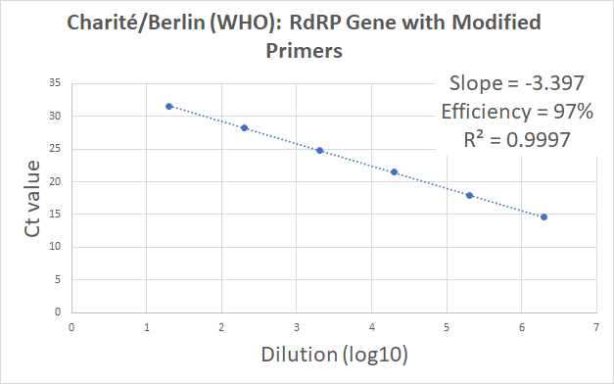
B) PCR Efficiency | < Page 2 of 13 > | < Page 3 of 13 >
Version: 13-Jan-2021
Author: 1st BASE MBS, Malaysia

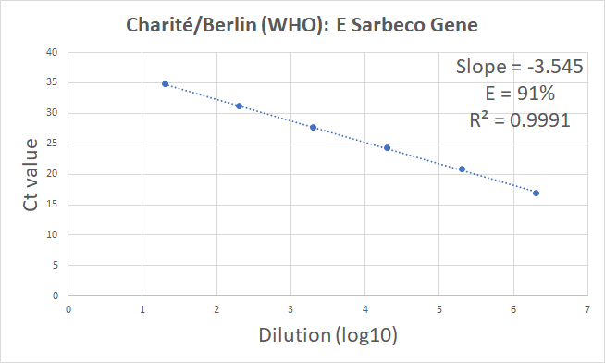

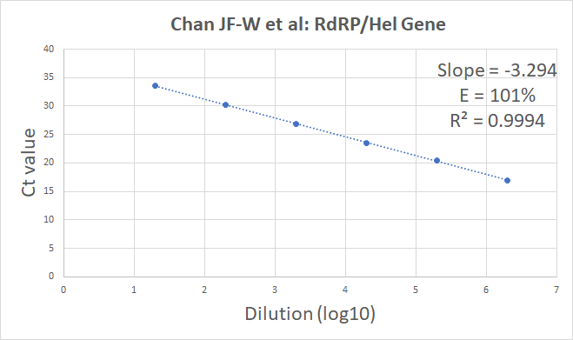

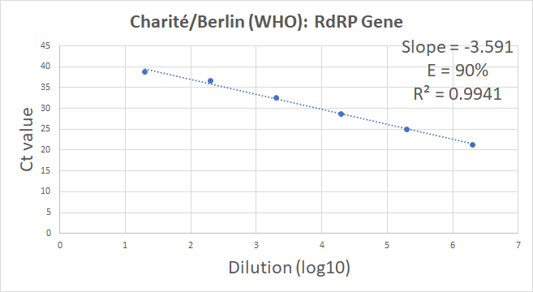

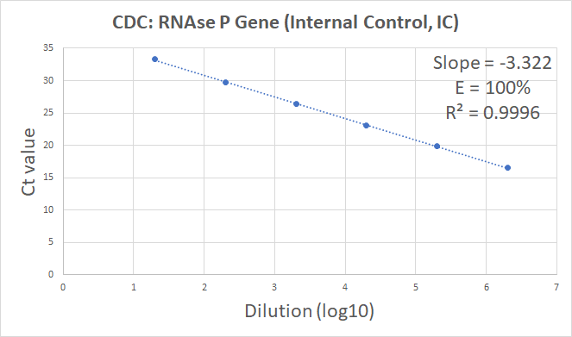

PCR Efficiency (E) for each target gene was assessed using duplicate qPCR reactions of 10-fold diluted 2019-nCoV_Positive Control_v2, which was digested with NcoI. The plasmid DNA standard of 6 magnitudes was created from 2E01 to 2E06 copies . Linear regression falls within the acceptable value of Slope (-3.10 to -3.59) and R² (> 0.95). The percentage efficiency was calculated from the slope using the formula E = 100*(-1 + 10^{−1/slope}). The concentration of the plasmid DNA standards was measured using Implen NanoPhotometer.

C) Gene E
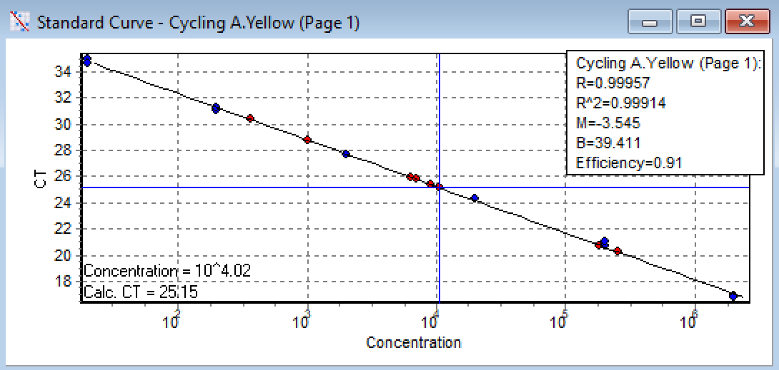
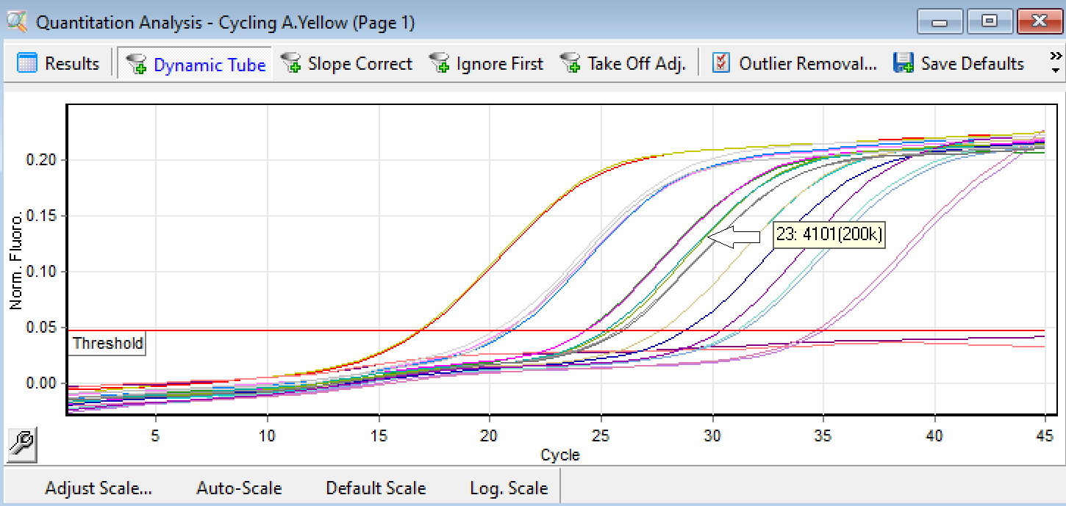
C1) qPCR Setup for Charité/Berlin (WHO): E Sarbeco Gene, ~113bp |  |  |  |  | C2) Amplification Results for Charité/Berlin (WHO): E Sarbeco Gene
Version: 5-Nov-2020 |  |  |  | < Page 4 of 13 > |  | < Page 5 of 13 >
Author: 1st BASE MBS, Malaysia

 | sum without water | 12.68 | Key-in no. of rxns +2 to compensate pipetting loss
No. | Components | 1 rxn | 50 | Source refers to (A) Materials
1 | Water | 7.32 | 366 | Toyobo kit, Cat# QRZ-101
2 | 2x Rxn buffer | 10 | 500 | Toyobo kit, Cat# QRZ-101
3 | DNA Polymerase | 0.5 | 25 | Toyobo kit, Cat# QRZ-101
4 | RT Enzyme Mix | 0.5 | 25 | Toyobo kit, Cat# QRZ-101
5 | E_Sarbeco_F1, 5 uM | 0.32 | 16 | Diluted from IDT, Cat# 10006888
6 | E_Sarbeco_R2, 5 uM | 0.28 | 14 | Diluted from IDT, Cat# 10006890
7 | E_Sarbeco_P1, 5 uM | 0.08 | 4 | IDT, Custom Probe
8 | *Viral RNA Template | 1 |  | Purified viral RNA from oral/ nasal swab VTM
*Adjustable volume |  | 20 | 950 | Total
 | Each aliquot |  | 19 | uL
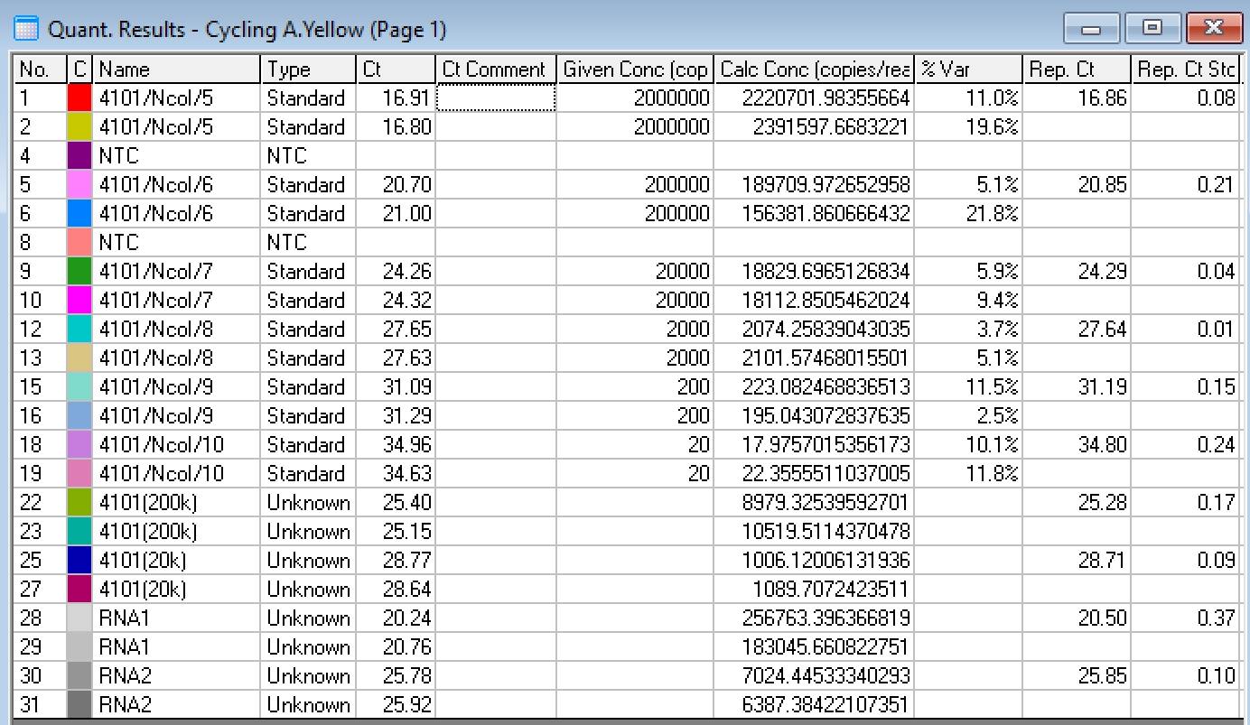
No. | Steps | Time | Temp. (°C) | No. of Cycles
1 | Reverse Transcription | 10 min | 50 | 1
2 | Initial Denaturation | 1 min | 95 | 1
3 | Denaturation | 10 sec | 95 | Repeat Step3 to Step5 for total of 45 cycles
4 | Annealing and Extension #1 | 5 sec | 62
5 | Annealing and Extension #2 | 10 sec | 58 (Optic On)

D) Gene RdRP
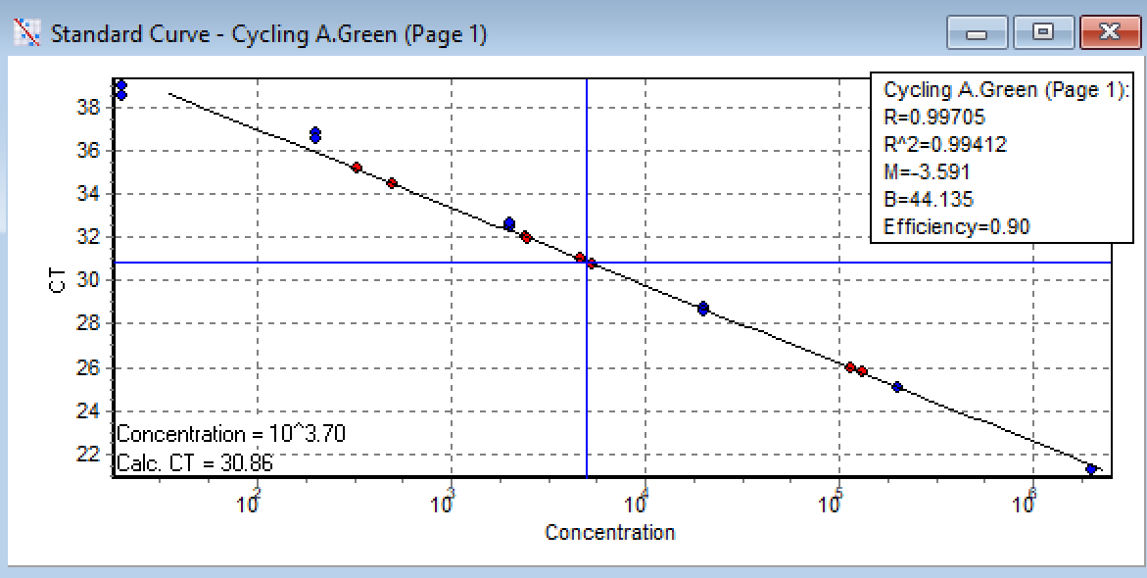
D1) qPCR Setup for Charité/Berlin (WHO): RdRP Gene, ~101bp |  |  |  |  | D2) Amplification Results for Charité/Berlin (WHO): RdRP Gene
Version: 5-Nov-2020 |  |  |  | < Page 6 of 13 > |  | < Page 7 of 13 >
Author: 1st BASE MBS, Malaysia
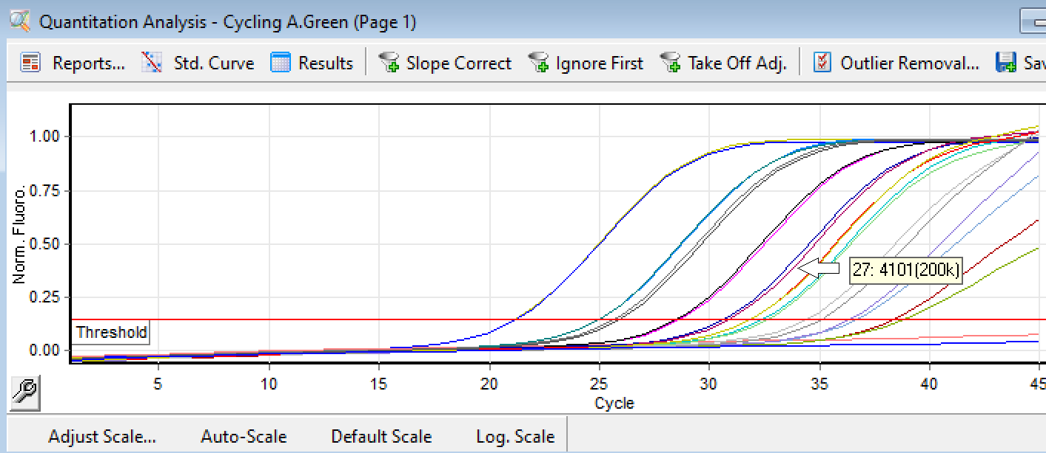
 | sum without water | 13.6 | Key-in no. of rxns +2 to compensate pipetting loss
No. | Components | 1 rxn | 50 | Source refers to (A) Materials
1 | Water | 6.4 | 320 | Toyobo kit, Cat# QRZ-101
2 | 2x Rxn buffer | 10 | 500 | Toyobo kit, Cat# QRZ-101
3 | DNA Polymerase | 0.5 | 25 | Toyobo kit, Cat# QRZ-101
4 | RT Enzyme Mix | 0.5 | 25 | Toyobo kit, Cat# QRZ-101
5 | RdRP_SARSr-F2, 5 uM | 0.6 | 30 | Diluted from IDT, Cat# 10006860
6 | RdRP_SARSr-R1, 5 uM | 0.8 | 40 | Diluted from IDT, Cat# 10006881
7 | RdRP_SARSr-P2, 5 uM | 0.2 | 10 | Diluted from IDT, Cat# 10006886
8 | *Viral RNA Template | 1 |  | Purified viral RNA from oral/ nasal swab VTM
*Adjustable volume |  | 20 | 950 | Total
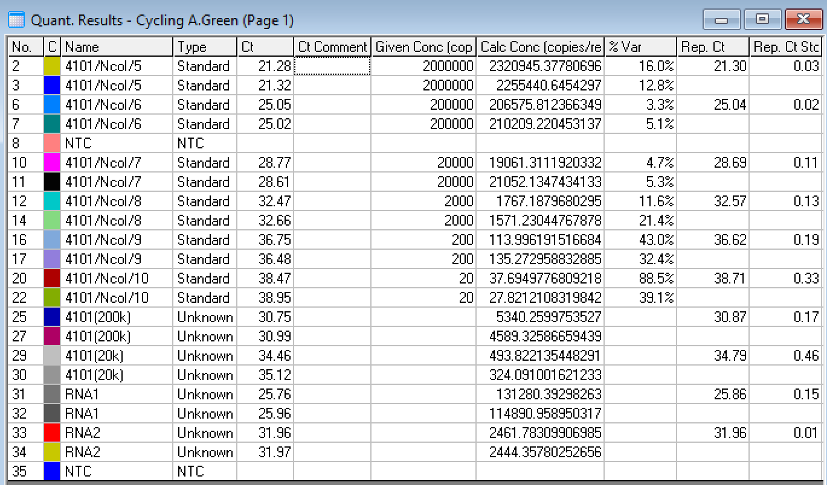
 | Each aliquot |  | 19 | uL

No. | Steps | Time | Temp. (°C) | No. of Cycles
1 | Reverse Transcription | 10 min | 50 | 1
2 | Initial Denaturation | 1 min | 95 | 1
3 | Denaturation | 10 sec | 95 | Repeat Step3 to Step5 for total of 45 cycles
4 | Annealing and Extension #1 | 5 sec | 62
5 | Annealing and Extension #2 | 10 sec | 58 (Optic On)

E) Gene RdRP_Mod.Primers
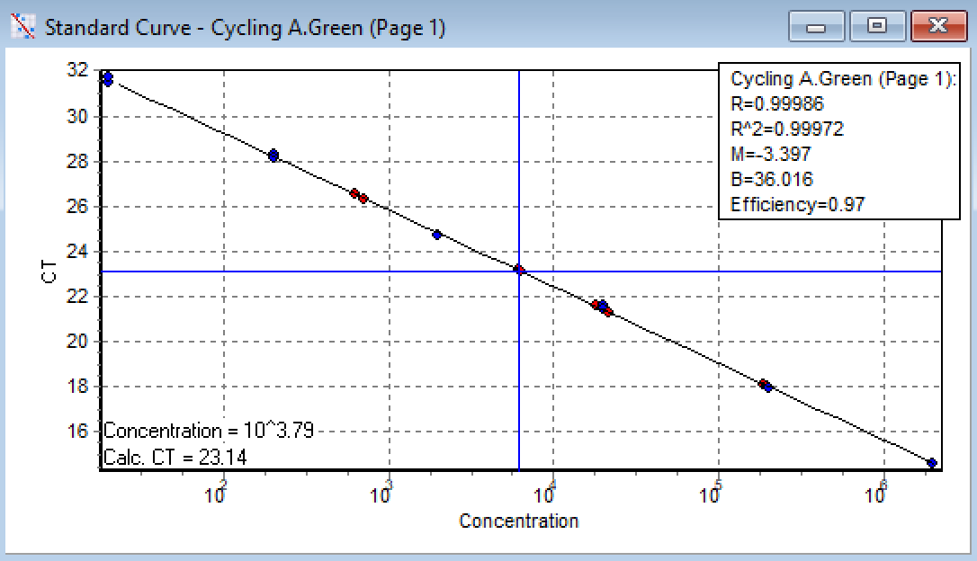
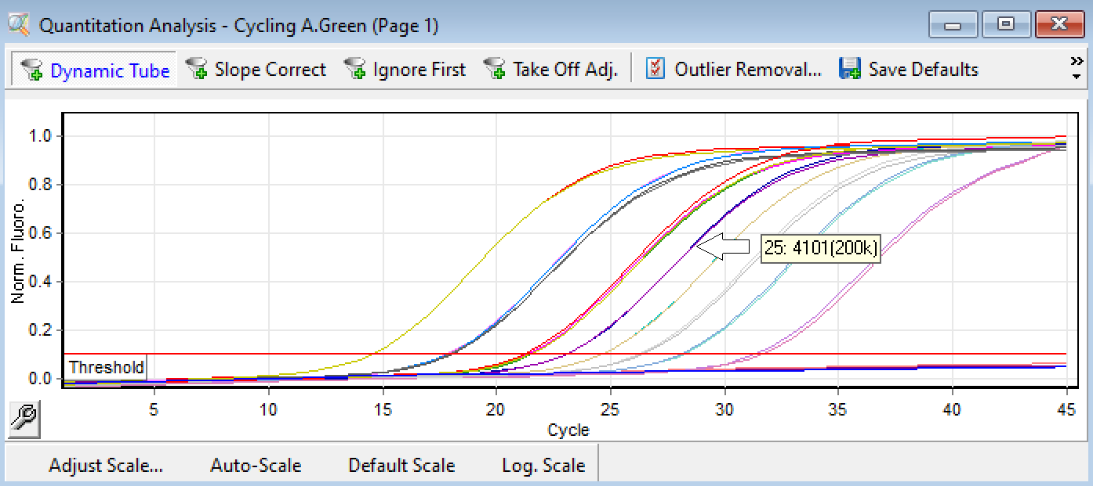
E1) qPCR Setup for Charité/Berlin (WHO): RdRP with Modified Primers, ~140bp |  |  |  |  | E2) Amplification Results for Charité/Berlin (WHO): RdRP with Modified Primers
Version: 5-Nov-2020 |  |  |  | < Page 8 of 13 > |  | < Page 9 of 13 >
Author: 1st BASE MBS, Malaysia

 | sum without water | 12.9 | Key-in no. of rxns +2 to compensate pipetting loss
No. | Components | 1 rxn | 50 | Source refers to (A) Materials
1 | Water | 7.1 | 355 | Toyobo kit, Cat# QRZ-101
2 | 2x Rxn buffer | 10 | 500 | Toyobo kit, Cat# QRZ-101
3 | DNA Polymerase | 0.5 | 25 | Toyobo kit, Cat# QRZ-101
4 | RT Enzyme Mix | 0.5 | 25 | Toyobo kit, Cat# QRZ-101
5 | RdRP_SARSr-F3 5 uM | 0.4 | 20 | Diluted from IDT, Cat# CV013
6 | RdRP_SARSr-R2, 5 uM | 0.4 | 20 | Diluted from IDT, Cat# CV014
7 | RdRP_SARSr-P2, 5 uM | 0.1 | 5 | Diluted from IDT, Cat# 10006886
8 | *Viral RNA Template | 1 |  | Purified viral RNA from oral/ nasal swab VTM
*Adjustable volume |  | 20 | 950 | Total
 | Each aliquot |  | 19 | uL
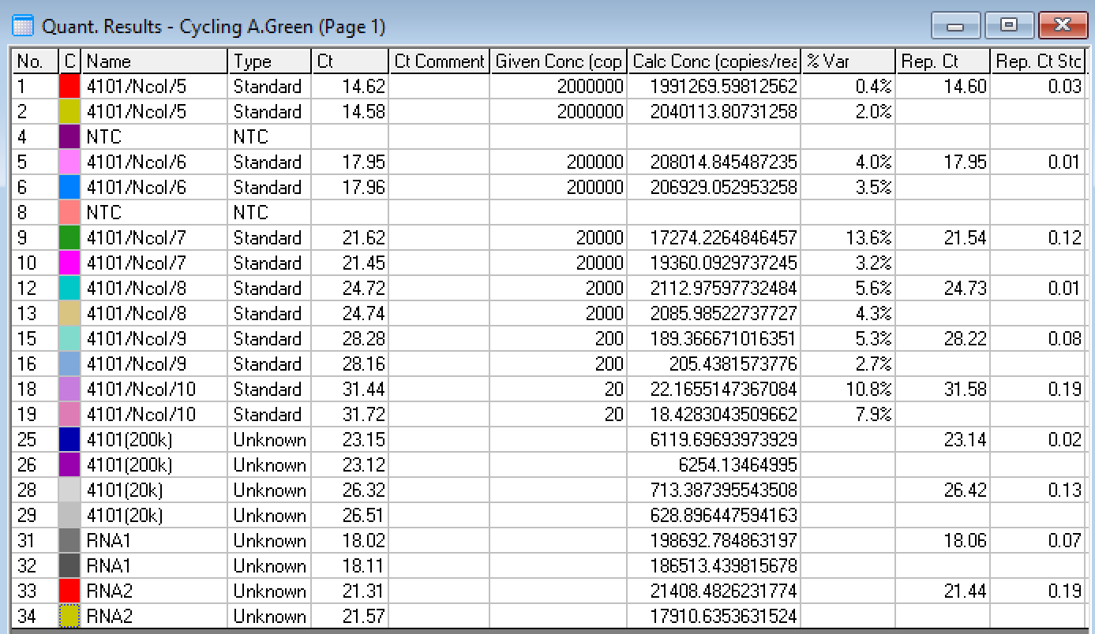
No. | Steps | Time | Temp. (°C) | No. of Cycles
1 | Reverse Transcription | 10 min | 50 | 1
2 | Initial Denaturation | 1 min | 95 | 1
3 | Denaturation | 10 sec | 95 | Repeat Step3 to Step5 for total of 45 cycles
4 | Annealing and Extension #1 | 5 sec | 62
5 | Annealing and Extension #2 | 10 sec | 58 (Optic On)

F) Gene RdRp_Hel
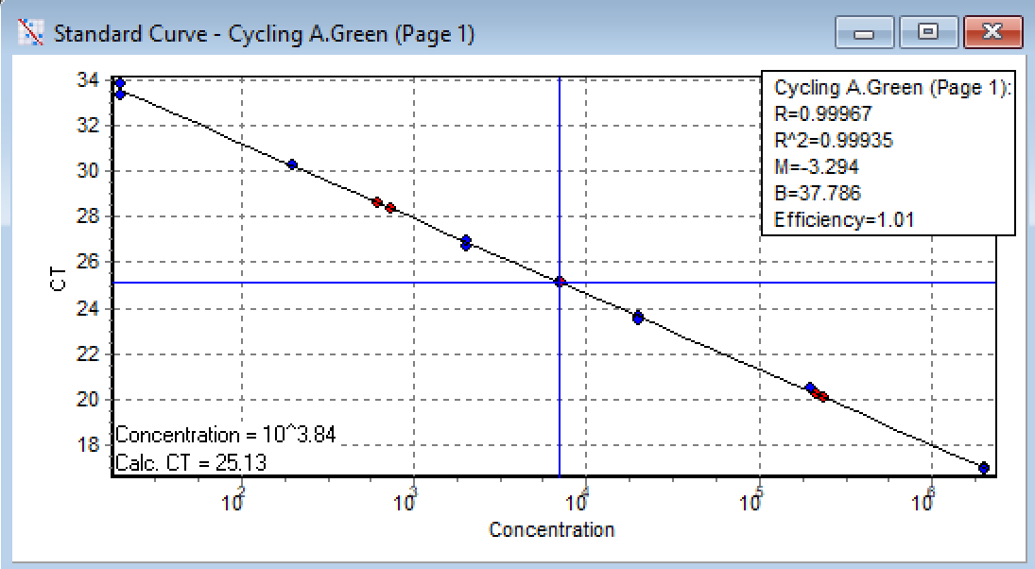
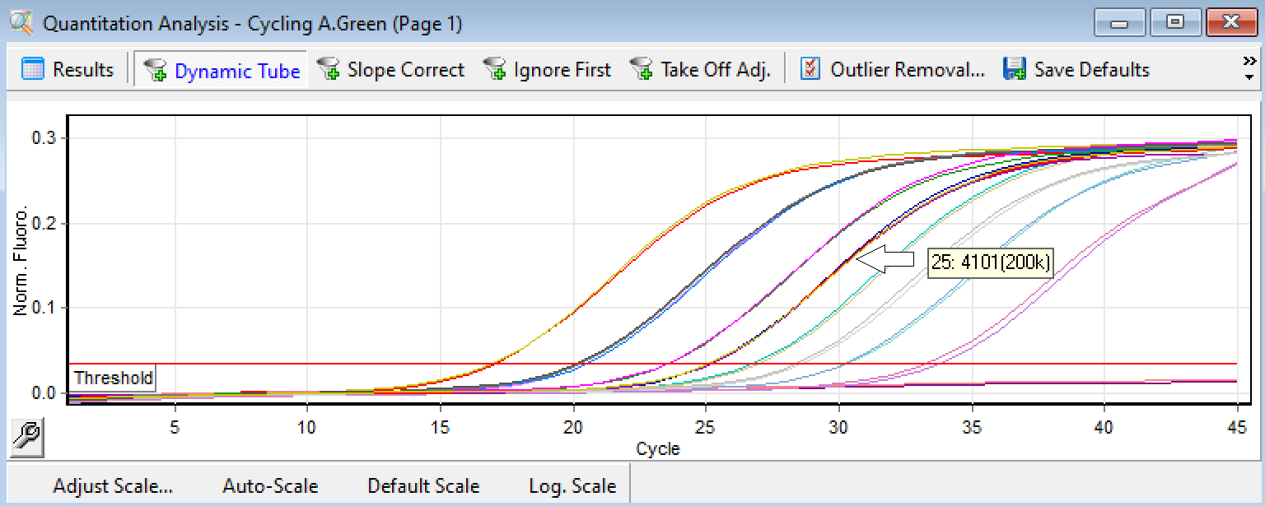
F1) qPCR Setup for Chan JF-W et al: RdRP Helicase Gene, ~132bp |  |  |  |  | F2) Amplification Results for Chan JF-W et al: RdRP Helicase Gene
Version: 5-Nov-2020 |  |  |  | < Page 10 of 13 > |  | < Page 11 of 13 >
Author: 1st BASE MBS, Malaysia

 | sum without water | 14.7 | Key-in no. of rxns +2 to compensate pipetting loss
No. | Components | 1 rxn | 50 | Source refers to (A) Materials
1 | Water | 5.3 | 265 | Toyobo kit, Cat# QRZ-101
2 | 2x Rxn buffer | 10 | 500 | Toyobo kit, Cat# QRZ-101
3 | DNA Polymerase | 0.5 | 25 | Toyobo kit, Cat# QRZ-101
4 | RT Enzyme Mix | 0.5 | 25 | Toyobo kit, Cat# QRZ-101
5 | RdRP_Hel_F, 5 uM | 1.2 | 60 | IDT, Custom Oligo
6 | RdRP_Hel_R, 5 uM | 1.2 | 60 | IDT, Custom Oligo
7 | RdRP_Hel_P, 5 uM | 0.3 | 15 | IDT, Custom Probe
8 | *Viral RNA Template | 1 |  | Purified viral RNA from oral/ nasal swab VTM
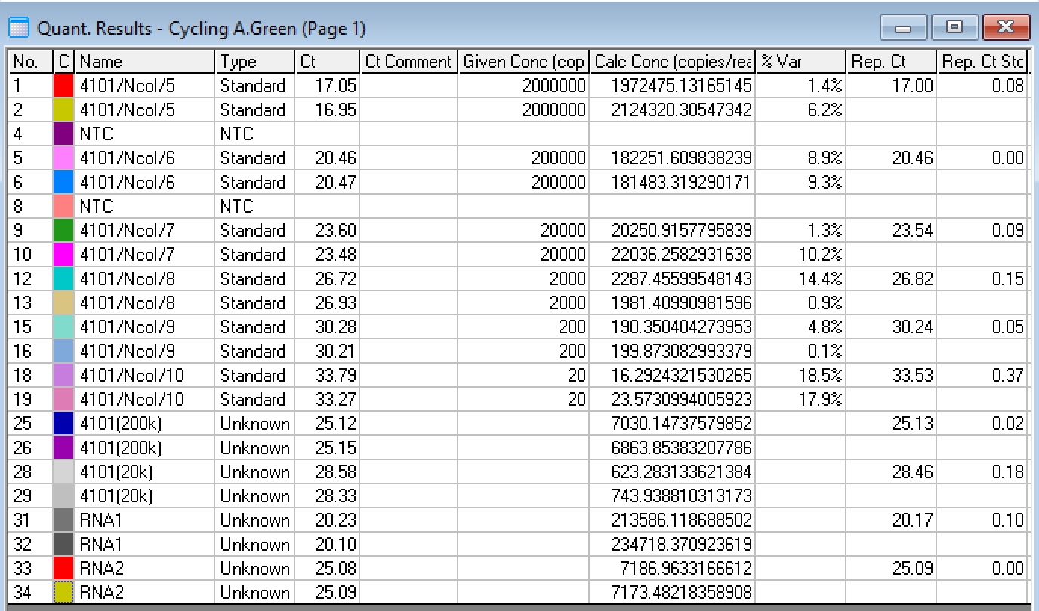
*Adjustable volume |  | 20 | 950 | Total
 | Each aliquot |  | 19 | uL

No. | Steps | Time | Temp. (°C) | No. of Cycles
1 | Reverse Transcription | 10 min | 50 | 1
2 | Initial Denaturation | 1 min | 95 | 1
3 | Denaturation | 10 sec | 95 | Repeat Step3 to Step5 for total of 45 cycles
4 | Annealing and Extension #1 | 5 sec | 62
5 | Annealing and Extension #2 | 10 sec | 58 (Optic On)

G) Gene RNAse P
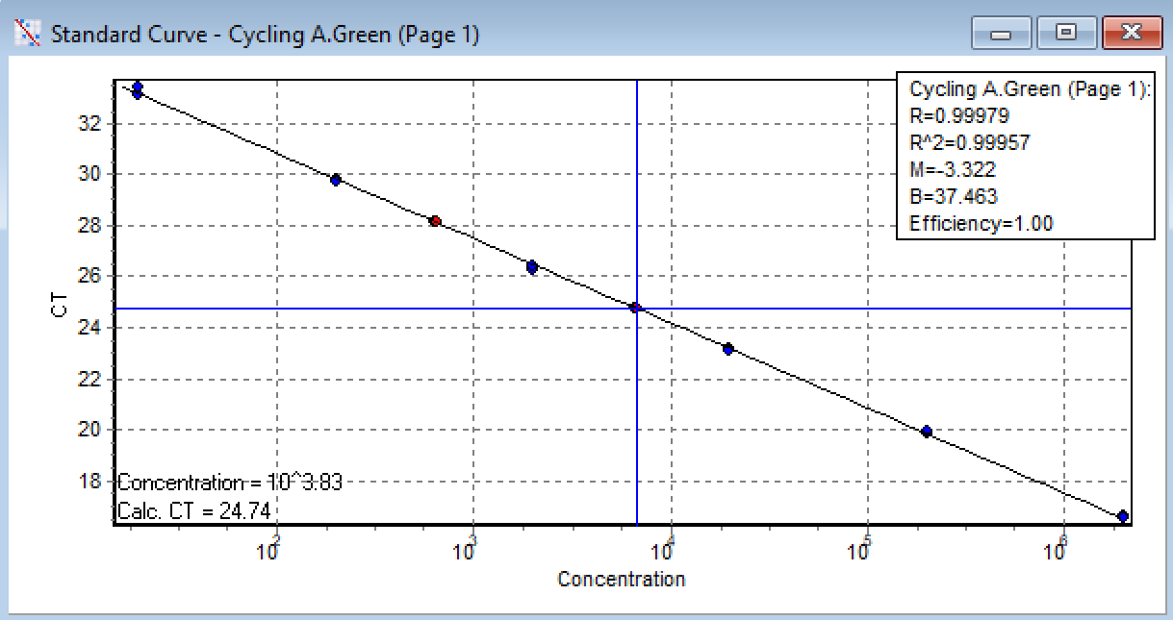
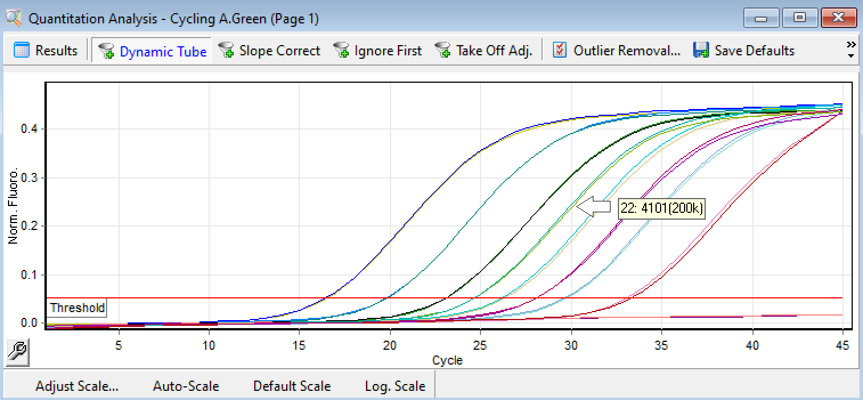
G1) qPCR Setup for CDC: RNAse P Gene, ~65bp |  |  |  |  | G2) Amplification Results for CDC: RNAse P Gene
Version: 5-Nov-2020 |  |  |  | < Page 12 of 13 > |  | < Page 13 of 13 >
Author: 1st BASE MBS, Malaysia

 | sum without water | 12.7 | Key-in no. of rxns +2 to compensate pipetting loss
No. | Components | 1 rxn | 50 | Source refers to (A) Materials
1 | Water | 7.3 | 365 | Toyobo kit, Cat# QRZ-101
2 | 2x Rxn buffer | 10 | 500 | Toyobo kit, Cat# QRZ-101
3 | DNA Polymerase | 0.5 | 25 | Toyobo kit, Cat# QRZ-101
4 | RT Enzyme Mix | 0.5 | 25 | Toyobo kit, Cat# QRZ-101
5 | Hs_RPP30_Assay | 0.7 | 35 | IDT, Cat# 10006713
6 | *Viral RNA Template | 1 |  | Purified viral RNA from oral/ nasal swab VTM
*Adjustable volume |  | 20 | 950 | Total
 | Each aliquot |  | 19 | uL

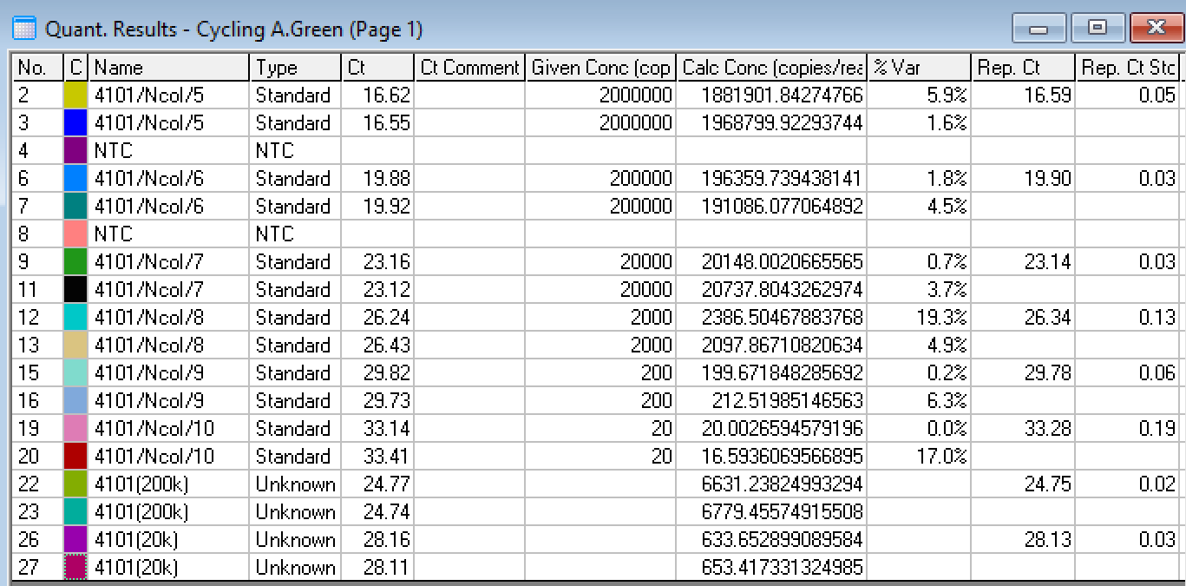
No. | Steps | Time | Temp. (°C) | No. of Cycles
1 | Reverse Transcription | 10 min | 50 | 1
2 | Initial Denaturation | 1 min | 95 | 1
3 | Denaturation | 10 sec | 95 | Repeat Step3 to Step5 for total of 45 cycles
4 | Annealing and Extension #1 | 5 sec | 62
5 | Annealing and Extension #2 | 10 sec | 58 (Optic On)

