B) PCR efficiency
B) PCR Efficiency | < Page 2 of 6 >
Version: 17-Nov-2020
Author: 1st BASE MBS, Malaysia
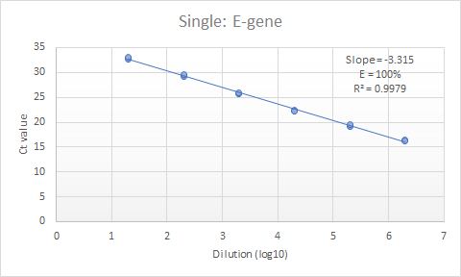

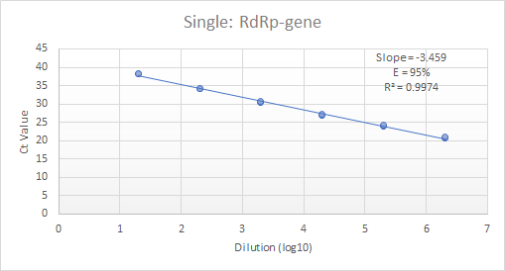

PCR Efficiency (E) for each target gene was assessed using duplicate qPCR reactions of 10-fold diluted 2019-nCOV_E and RdRp Positive Control, which was digested with NcoI. The plasmid DNA standard of 6 magnitudes was created from 2E01 to 2E06 copies . Linear regression falls within the acceptable value of Slope (-3.10 to -3.59) and R² (> 0.95). The percentage efficiency was calculated from the slope using the formula E = 100*(-1 + 10^{−1/slope}). The concentration of the plasmid DNA standards was measured using Implen NanoPhotometer.

C) Singleplex Gene E_Sarbeco
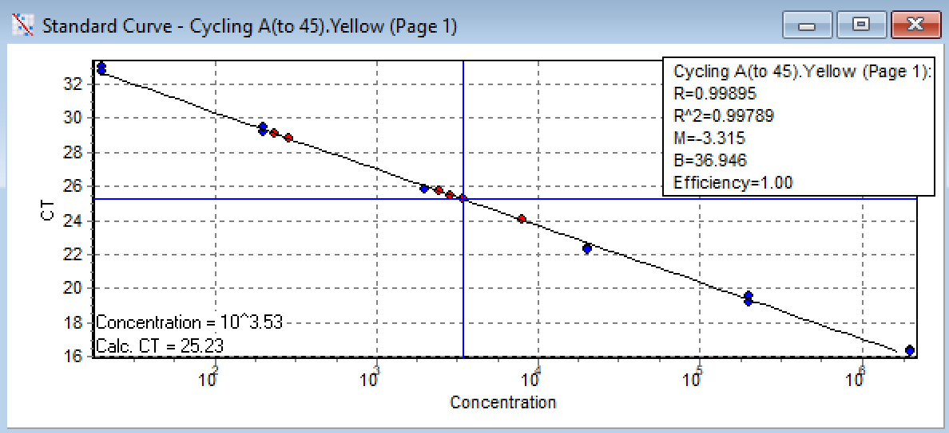
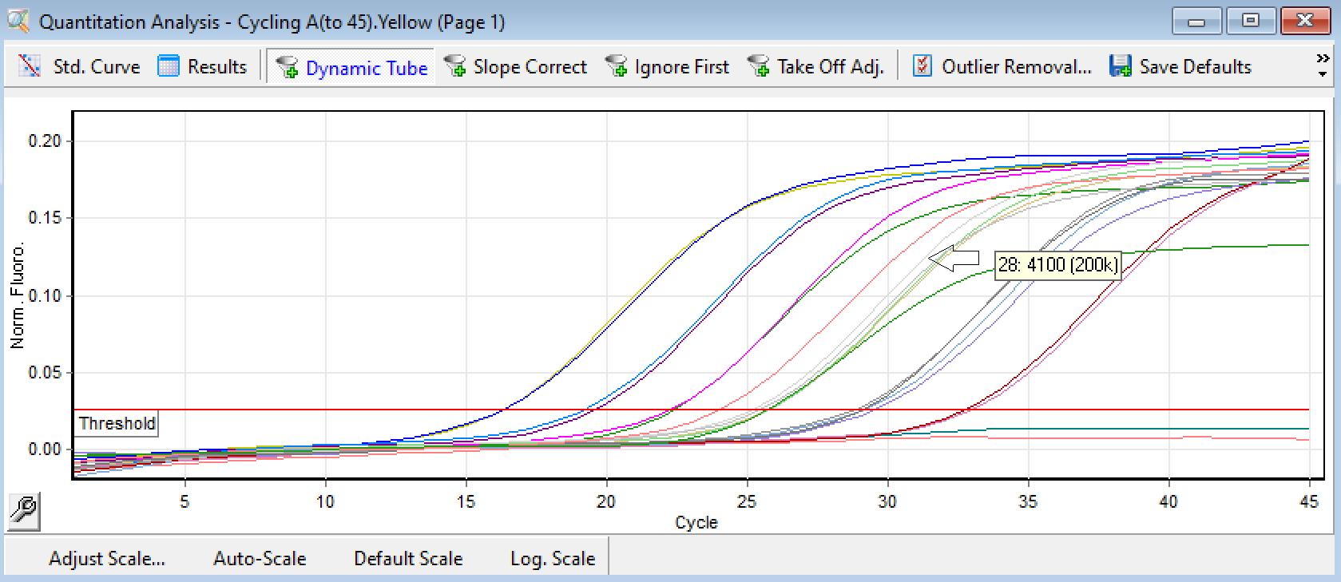
C1) qPCR Setup for Singleplex E_Sarbeco Gene |  |  |  | < Page 3 of 6 > | C2) Amplification Results for E Sarbeco Gene in Singleplex | < Page 4 of 6 >
Version: 17-Nov-2020
Author: 1st BASE MBS, Malaysia

 | sum without water | 12.32 | Key-in no. of rxns +2 to compensate pipetting loss
No. | Components | 1 rxn | 50 | Source refers to (A) Materials
1 | Water | 7.68 | 384 | Toyobo kit, Cat# QRZ-101
2 | 2x Rxn buffer | 10 | 500 | Toyobo kit, Cat# QRZ-101
3 | DNA Polymerase | 0.5 | 25 | Toyobo kit, Cat# QRZ-101
4 | RT Enzyme Mix | 0.5 | 25 | Toyobo kit, Cat# QRZ-101
5 | E_Sarbeco_F1, 10 uM | 0.14 | 7 | Diluted from IDT, Cat# 10006888
6 | E_Sarbeco_R2, 10 uM | 0.14 | 7 | Diluted from IDT, Cat# 10006890
7 | E_Sarbeco_P1, 10 uM | 0.04 | 2 | IDT, Custom Probe
8 | *Viral RNA Template | 1 |  | Purified viral RNA from oral/ nasal swab VTM
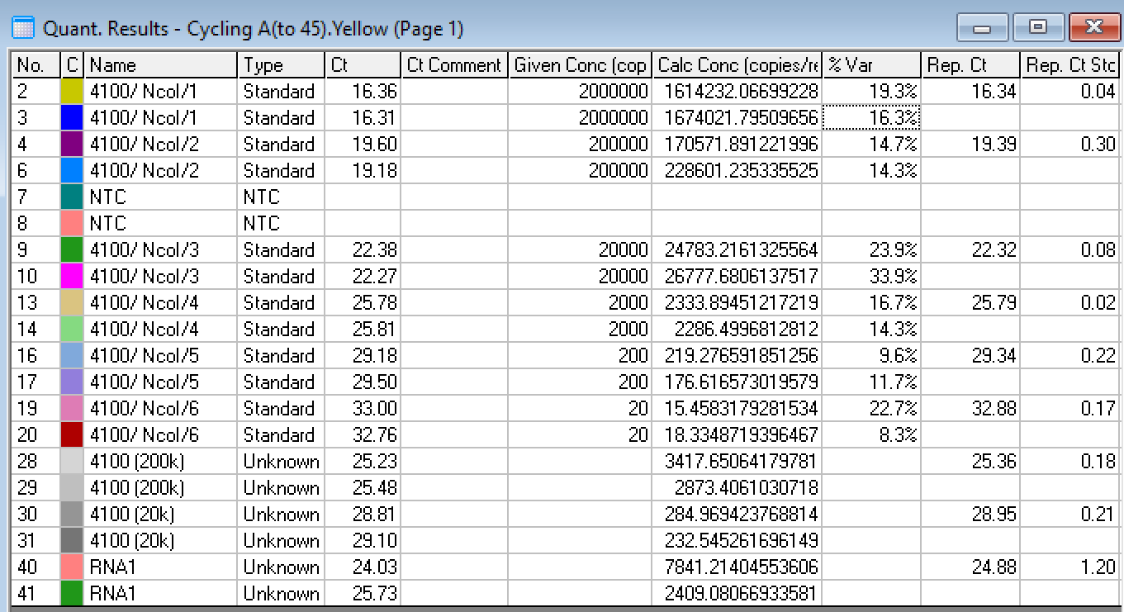
*Adjustable volume |  | 20 | 950 | Total
 | Each aliquot |  | 19 | uL

No. | Steps | Time | Temp. (°C) | No. of Cycles
1 | Reverse Transcription | 10 min | 50 | 1
2 | Initial Denaturation | 1 min | 95 | 1
3 | Denaturation | 10 sec | 95 | Repeat Step3 to Step5 for total of 40 to 45 cycles
4 | Annealing and Extension #1 | 5 sec | 62
5 | Annealing and Extension #2 | 10 sec | 58 (Optic On)

D) Singleplex Gene RdRP
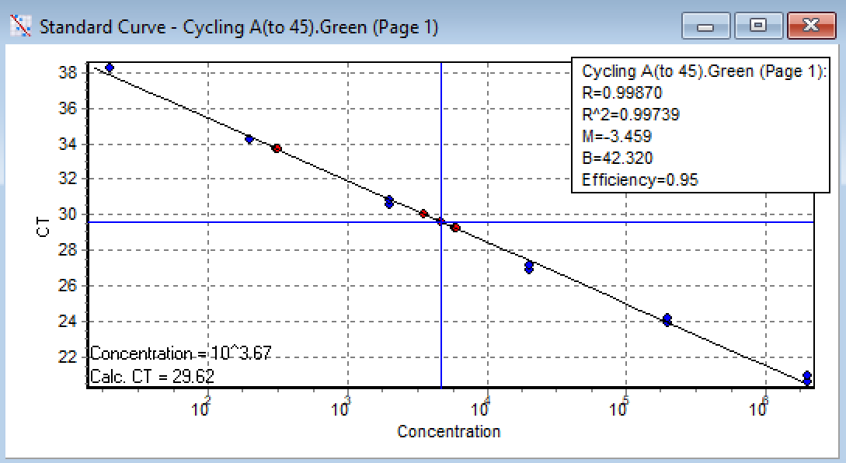
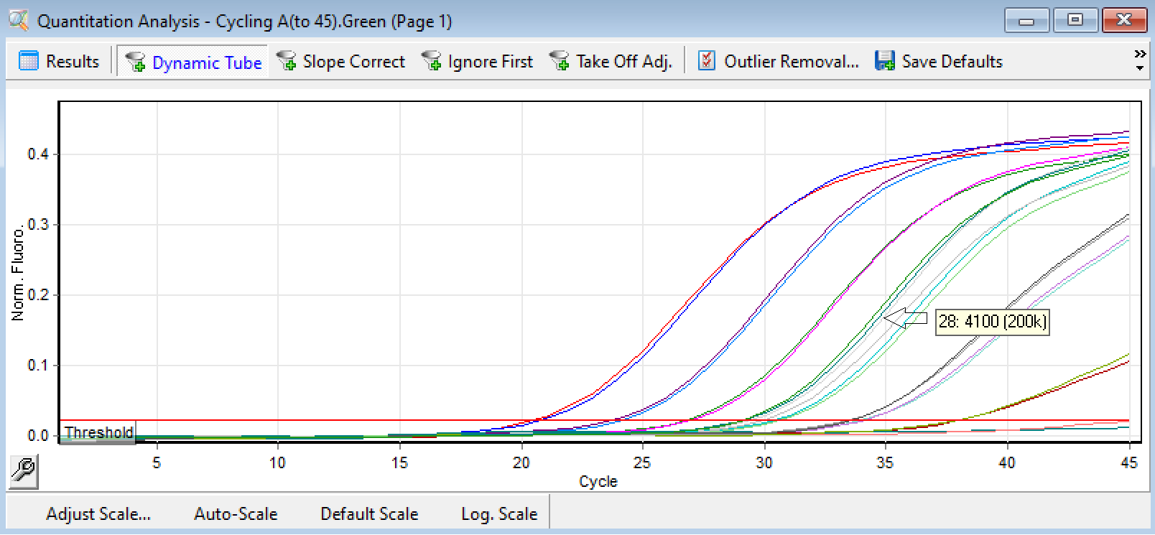
D1) qPCR Setup for Singleplex RdRP Gene |  |  |  | < Page 5 of 6 > | D2) Amplification Results for RdRP Gene in Singleplex | < Page 6 of 6 >
Version: 17-Nov-2020
Author: 1st BASE MBS, Malaysia

 | sum without water | 12.78 | Key-in no. of rxns +2 to compensate pipetting loss
No. | Components | 1 rxn | 50 | Source refers to (A) Materials
1 | Water | 7.22 | 361 | Toyobo kit, Cat# QRZ-101
2 | 2x Rxn buffer | 10 | 500 | Toyobo kit, Cat# QRZ-101
3 | DNA Polymerase | 0.5 | 25 | Toyobo kit, Cat# QRZ-101
4 | RT Enzyme Mix | 0.5 | 25 | Toyobo kit, Cat# QRZ-101
5 | RdRP_SARSr-F2, 20 uM | 0.35 | 17.5 | Diluted from IDT, Cat# 10006860
6 | RdRP_SARSr-R1, 20 uM | 0.35 | 17.5 | Diluted from IDT, Cat# 10006881
7 | RdRP_SARSr-P2, 20 uM | 0.08 | 4 | Diluted from IDT, Cat# 10006886
8 | *Viral RNA Template | 1 |  | Purified viral RNA from oral/ nasal swab VTM
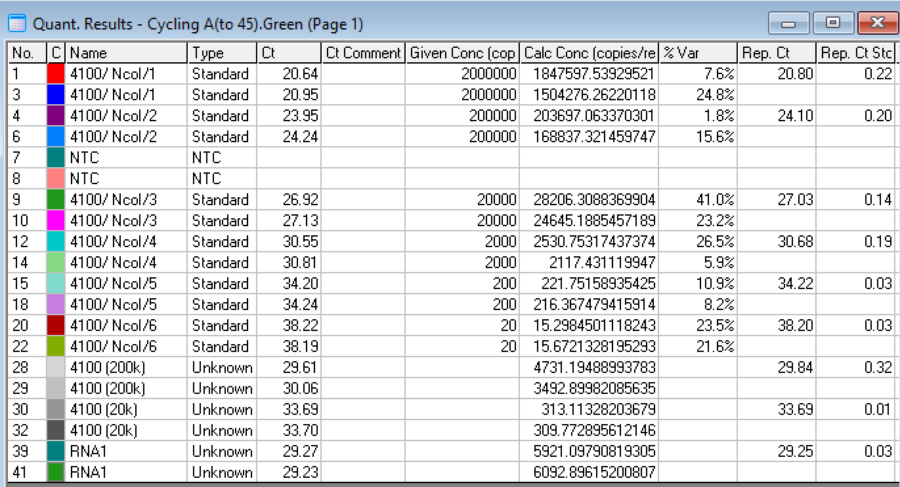
*Adjustable volume |  | 20 | 950 | Total
 | Each aliquot |  | 19 | uL

No. | Steps | Time | Temp. (°C) | No. of Cycles
1 | Reverse Transcription | 10 min | 50 | 1
2 | Initial Denaturation | 1 min | 95 | 1
3 | Denaturation | 10 sec | 95 | Repeat Step3 to Step5 for total of 40 to 45 cycles
4 | Annealing and Extension #1 | 5 sec | 62
5 | Annealing and Extension #2 | 10 sec | 58 (Optic On)

