Avian PCR Testing Service
Avian PCR Testing Services

CUSTOMER INFORMATION
Name:
Institute/Company Name:
Contact No.: |  |  | (Office) |  | (Mobile)
Email Address:
Delivery/Collection Address:
Invoice Address (if different from above)
Please select service:
 | Avian Combo PCR Tests: PBFD & DNA Sexing (MBS-2500)
 | Avian PBFD & APV PCR Test (MBS-2501)
 | Avian DNA Sexing PCR Test (MBS-2502)
Please refer to Quick Guide for sample preparation instruction.
 |  |  |  | Total Price: | $0
No. | Bird Name or Ring ID | Sample Type (egg shell/feather/blood) |  | Species or other information
1
2
3
4
5
6
7
8
9
10
11
12
13
14
15
16
17
18
19
20
21
22
23
24
25
26
27
28
29
30
*

Quick Guide
Avian PCR Service Sample Preparation Quick Guide
For detailed guide, please refer to 【Avian Sample Collection Guide】 |  | 【Kaedah Ambil Sampel Burung】 | 【鸟类样本采集指南】
If you are inexperienced in handling birds, we recommend samples to be taken by an experienced bird handler or by a veterinarian. This precaution is for you and the bird's safety.

Specimen | Blood | Feather | Eggshell
Materials Required | Nail clippers | Tweezer | Envelope/ Ziplock bags
 | Coagulant (e.g. Styptic powder, starch, coagulant suitable for birds) | Envelope/ Ziplock bags | Permanent marker
 | Alcohol swabs
 | Envelope/ Ziplock bags
Instructions | 1. Clean nail clipper and bird's toenail with alcohol swabs. | 1. Clean the tweezer with alcohol swabs. | 1. Set aside the shells after hatchinig and label it accordingly.
 | 2. Clip the bird's toenail as below: | 2. Use the tweezer to pluck the feather as below: | Leave the blood stains and egg membrane on the shell.
 | 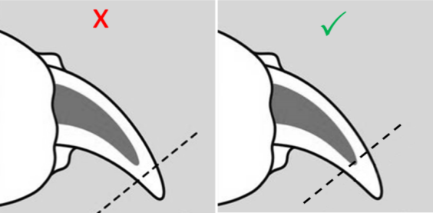 | 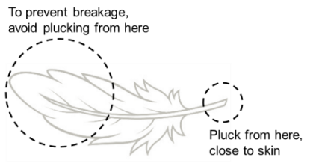 | 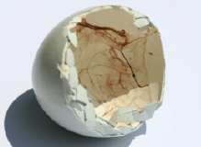
 | 3. Gently squeeze the toenail to obtain blood. |  | 2. Allow the eggshell to air dry naturally (~24 hours) or using incubator.
 | 4. Spot 1-3 small drops of blood on a dry and clean A4 paper. Let the blood dry for 1 hour on a clean surface, | 3. Pluck 1 feather at a time. Pluck 3 feathers per bird. Avoid contact with the follicle/ calamus of the feather. | 3. Place each dried egg shell into individual envelope/ ziplock bag. Label the envelop/ziplock bag.
 | 5. Make sure the bird is no longer bleeding before placing back into cage or you can stop the bleeding by applying starch or other coagulant that is suitable for bird. | 4. Place each set of feathers into separate envelope/ ziplock bag. Label the envelop/ziplock bag.
 | 6. Label and cut out the dried blood spot. Place individual sample into separate envelope/ ziplock bag. Label the envelop/ziplock bag.
 | Order Submission via Email
 | 1. Email the completed order form and payment screenshot to: | Scan QR Code to make payment via PayNow | For more information, please visit our website:
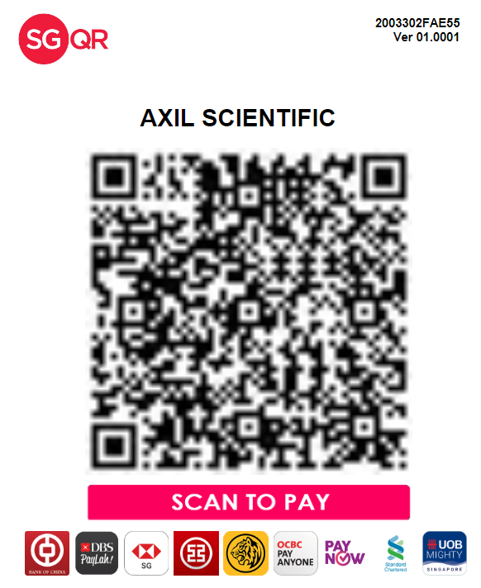

 | custcare@axilscientific.com
 | 67757318
 | 2. Print and attach the order form with the samples.
 | 3. Mail the samples to :
 | 2 Tukang Innovation Grove, #06-01, JTC MedTech Hub Singapore 618305 Attn: MBS team/ Avian PCR Test

 | ** Sample collection can be arranged for non-residential addresses and on schedule availability.

